Request
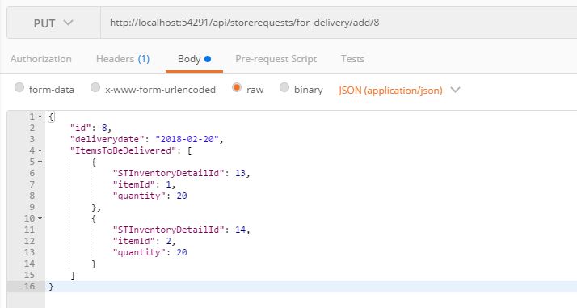
Parameter | Data Type | Length | Required | Unique | Remarks
Id | Int |  | Yes
DeliveryDate | Int |  | Yes
ItemsToBeDelivered | Array
STInventoryDetailId | Int |  | Yes
ItemId | Int |  | Yes
Quantity | Int |  | Yes

Example

Response
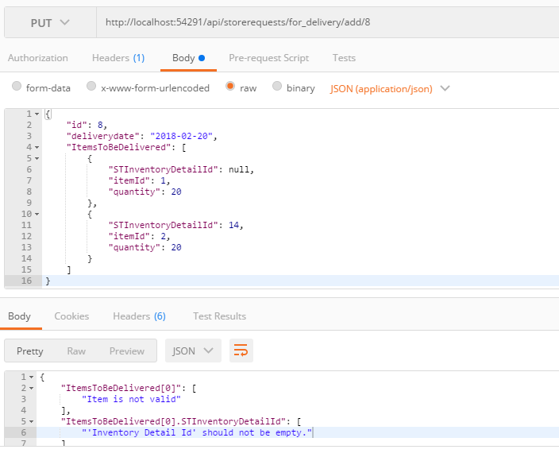
With Error

